Sheet1
order id | product | QTY | price | refund |  | order id | refund | =INDEX(B6:D11, 3, 2)
1 | baju | 1 | 100,000 |  |  | 2 | yes | =match(a5; g1:g5; 0)
2 | celana | 2 | 200,000 |  |  | 4 | yes
3 | sepatu | 2 | 150,000 |  |  | 7 | yes
4 | sepatu | 3 | 350,000 | 2 | #REF! | 10 | yes
5 | baju | 2 | 250,000
6 | sepatu | 1 | 1,000,000
7 | celana | 1 | 750,000
8 | baju | 3 | 210,000
9 | sepatu | 3 | 3,000,000
10 | baju | 3 | 300,000

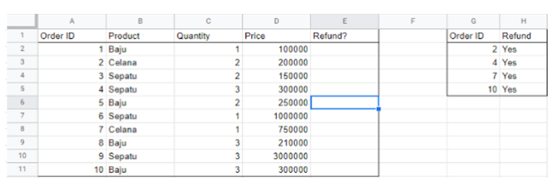

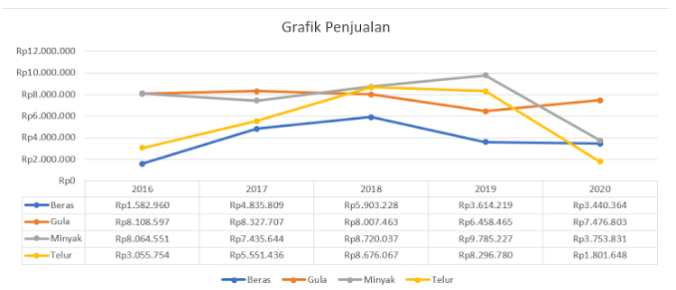
 |  |  |  |  |  |  |  | BERAS | GULA | MINYAK | TELUR
 |  |  |  |  |  |  |  | Rp1,582,960.00 | Rp8,108,597.00 | Rp8,064,551.00 | Rp3,055,754.00
 |  |  |  |  |  |  |  | Rp4,835,809.00 | Rp8,327,707.00 | Rp7,435,644.00 | Rp5,551,436.00
 |  |  |  |  |  |  |  | Rp5,903,228.00 | Rp8,007,463.00 | Rp8,720,037.00 | Rp8,676,067.00
 |  |  |  |  |  |  |  | Rp3,614,219.00 | Rp6,458,465.00 | Rp9,785,227.00 | Rp8,296,780.00
 |  |  |  |  |  |  |  | Rp3,440,364.00 | Rp7,476,803.00 | Rp3,753,831.00 | Rp1,801,648.00
 |  |  |  |  |  |  |  | Rp19,376,580.00 | Rp38,379,035.00 | Rp37,759,290.00 | Rp27,381,685.00

